Task 1a
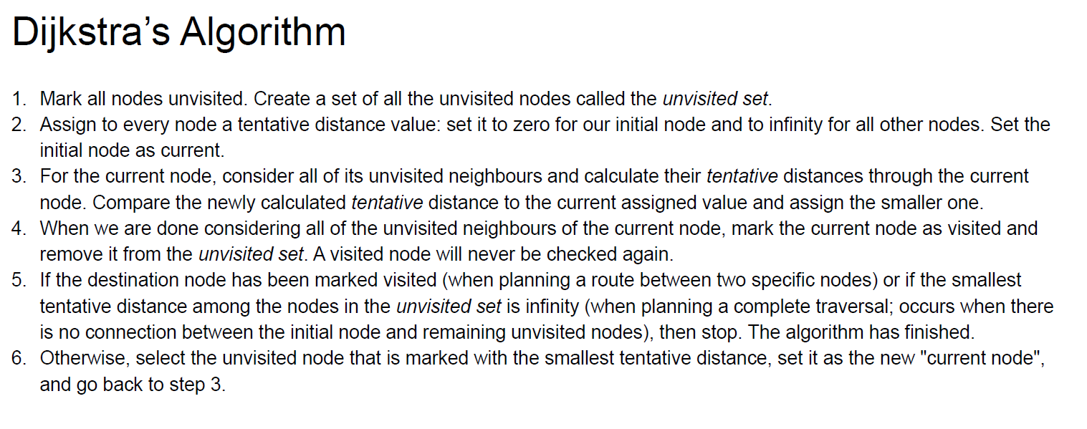
1a | Assume you have two potential plant locations and two important customers, whose demand you must meet. The figure below indicates your network. Numbers indicate distances in km. Apply Dijktra’s algorithm to find the shortest path from P1 to C1.
40
P2
30
C2
P1
60
C1
10

 | a. Dijkstra's Algorithm

Task 1b
1b | Assume you have two potential plant locations and two important customers, whose demand you must meet. Your decisions are (1) which location(s) do you want to use?; and (2), using this/these plant(s), how do you want to serve the market? The figure to the right indicates your network. Numbers indicate distances in km. The capacity of plant 1 is 100 products per day, plant 2 has a capacity of 80 units per day. Customer 1 has a demand of 40 units per day, whereas customer 2 demands 50 units per day. Opening up either plant costs you 1,000,000€, which is a one-off costs. In addition, you incur regular costs. Producing (regardless of the location) costs you 15€/product. For distance you pay 0.20€ per product per km. Your firm will ship products each day (i.e., 365 days per year). You are expecting to be operating with stable demand for the next 10 years. Your discount factor is 10% and, for simplicity, you incur all costs at the end of a year. b) Solve the CPLP using Excel.
40
P2
80/day
30
C2 50/day
P1
100/day
60
C1
40/day
10

 | b. CPLP

 |  |  | Working days/ year |  | 365
 |  |  | Operational years |  | 10
 |  |  | discount factor | r | 10%

 |  | Costs incur at the end of each year.
 |  |  | Logistics cost (/unit/km) |  | € 0.2
 |  |  | Production cost (/unit) |  | € 15
 |  |  | Cost to open 1 new plant |  | € 1,000,000

 |  | Distance (km) |  | Customer
 |  |  |  | j=1 | j=2
 |  | Plant | i=1 | 60 | 70
 |  |  | i=2 | 40 | 30

 |  | Cost (/unit/day) = Production + Logistics cost |  | Customer
 |  |  |  | j=1 | j=2
 |  | Plant | i=1
 |  |  | i=2
$$Discount factor= \frac{1}{{\left(1+r\right)}^{n}}$$

 |  | Year (n) | 1 | 2 | 3 | 4 | 5 | 6 | 7 | 8 | 9 | 10 | SUM
 |  | Discount factor

 |  | Parameters

 |  | cij = Cost(/unit/day) x Discount factor x 365 |  | Customer
 |  |  |  | j=1 | j=2
 |  | Plant | i=1 |  |  |  | -->This cost is what you incur per unit that you decide to ship from i to j discounted sum for 10 years if you ship it daily.
 |  |  | i=2

 |  | Daily Demand, Dj |  | Customer
 |  |  |  | j=1 | j=2
 |  |  |  | 40 | 50

 |  | Daily Capacity, Ki |  |  |  |  |  | Fixed cost of opening, fi

 |  | Plant | i=1 | 100 |  |  |  | Plant | i=1 | € 1,000,000
 |  |  | i=2 | 80 |  |  |  |  | i=2 | € 1,000,000

 |  | Decision variables

 |  | Amount to ship from plant i to customer j, xij |  | Customer |  | Open Facility yi | Sum of Production at each plant |  | Capacity Ki x yi
 |  |  |  | j=1 | j=2
 |  | Plant | i=1 |  |  |  | 0 |  | 0
 |  |  | i=2 |  |  |  | 0 |  | 0
 |  | Demand Fulfilled |  | 0 | 0

 |  | Objective function

$$\begin{matrix}\sum_{i=1}^{m}{x_{ij}≥D_{j} } & j=1,…,n\end{matrix}$$
 |  | Min z = | 0 € |  | Cost of producing and transporting + cost of opening a plant
 |  |  |  |  | = (cij * amount to be shipped)+(if we are opening a plant then 1,000,000 otherwise 0)
 |  | Constraints

 |  | Demand satisfaction

$$\begin{matrix}\sum_{j=1}^{n}{x_{ij}≤K_{i} } & i=1,…,m\end{matrix}$$

 |  | Capacity constrains

Task 2a
2a | Solve the following location covering problem using excel solver.

Demand Distribution
 | 1
Demand Distribution
 | 1
 | a. Excel solver

 |  |  | yi
 |  |  | i=1 | i=2 | i=3 | i=4
 | To find out | -->
 |  |  |  |  |  |  | aij.yi
 |  |  |  |  |  |  | 0 | >= | 1
 |  |  |  |  |  |  | 0 | >= | 1
 |  |  |  |  |  |  | 0 | >= | 1
 |  |  |  |  |  |  | 0 | >= | 1
 |  |  |  |  |  |  | 0 | >= | 1

 |  | fi

 |  | min fiyi

Task 2b
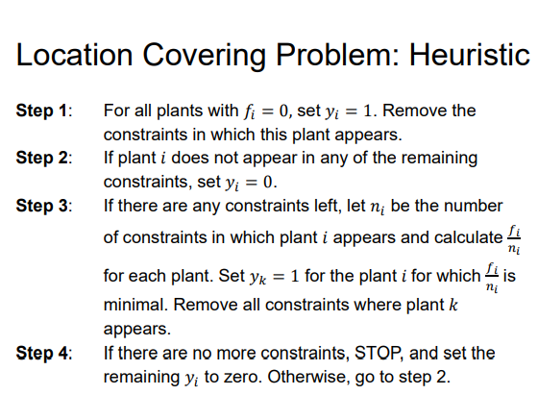
2b | Solve the following location covering problem using heuristics proposed in lectures. Does the heuristics lead to optimal solution for this problem?

Demand Distribution
 | 1
Demand Distribution
 | 1
 | b. Heuristics
 |  | f1 = 2
 |  | f2 = 0
 |  | f3 = 1
 |  | f4 = 4

